ALL Teacher Overview
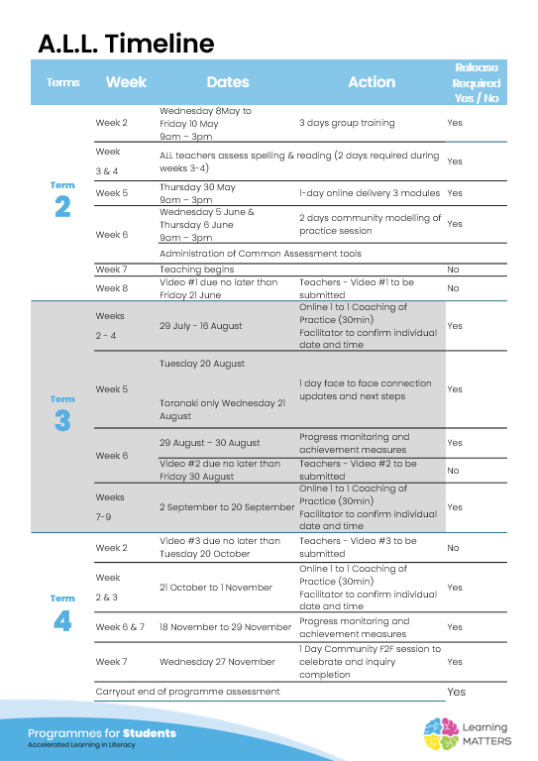

Roadmap
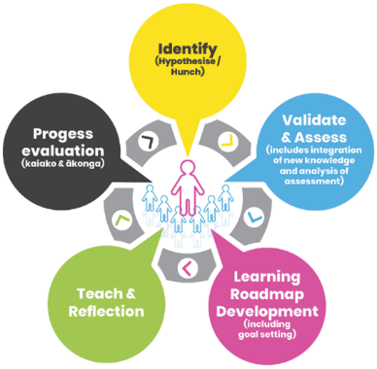 |  | The Inquiry cycle understood …
 |  | Hunch | What do you suspect is the cause of literacy underachievement? I suspect the cause is missing knowledge of spelling patterns and rules. This is shown in reading and writing.
 |  | Validate and Assess | Once you have completed all assessments has your hunch been validated and or is further assessment or knowledge building necessary? I think the rigorous testing has validated my hunch. The data tells me clearly the words/patterns where there are gaps for my tamariki. Once they can develop more confidence and accuracy with their spelling skills and knowledge, they can then take this into other aspects of literacy - reading and writing with more confidence and accuracy.
 |  | Roadmap Actions | Now you have greater knowledge and relevant assessment findings what steps will you take? I have been able to take the data and utilise this through our ideaL platform. It has been very accurate in giving me the scope and sequence of where to start for my tamariki and exactly how to run the lessons and what spelling concepts to teach and follow. Next steps is to plan and implement these lessons effectively into our busy kura days.
 |  | Goal Setting | Write a goal for you as the teacher that reflects your aspirations to continue to improve both knowledge and practice and also a goal for your group of students.
 |  | Teaching | What will the key components of your teaching sessions include for this group of Tier 2 students?
 |  | Reflection | You will be required to reflect throughout your roadmap at regular intervals, particularly after observations and coaching sessions.
 |  | Progress evaluation | At the beginning of Term 3 and again at the end of term 4 you will evaluate the progress both you and your students have made.

Roadmap for implementation and tracking progress and actions
Now use the information and reflections above to map out your roadmap and set goals for your inquiry. ALL participants will be required to keep a journal of their progress and actions. This will assist in monitoring achievements and progress towards teacher and student goals.
Term 2 Goal Setting
Teacher goal
Student outcome goals

Term 2 Roadmap
Week | Focus | Teacher Actions | Reflection and next steps
3
4
5
6
7
8
9
10

Term 2 Evaluation & Term 3 Goal Setting
Student progress and next steps
Teacher progress and next steps

Term 3 Roadmap
Week | Focus | Teacher Actions | Reflection and next steps
1
2
3
4
5
6
7
8
9
10

Term 3 Evaluation & Term 4 Goal Setting
Student progress and next steps
Teacher progress and next steps

Term 4 Roadmap
Week | Focus | Teacher Actions | Reflection and next steps
1
2
3
4
5
6
7
8

Term 4 Evaluation & Final Reflections
Student progress and next steps
Teacher progress and next steps

